Ch3, PA20
PA 20. LO 3.6
Prepare an unadjusted trial balance, in correct format, from the following alphabetized account information. Assume accounts have normal balances.
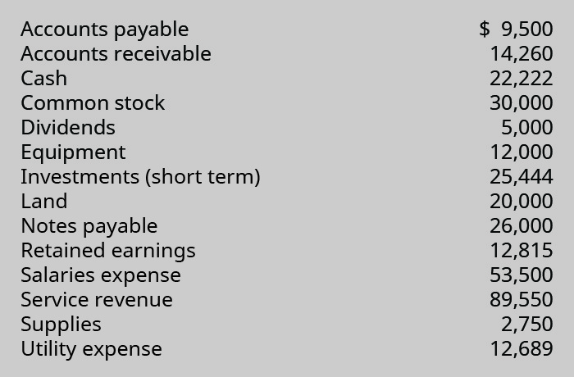

 | Unjusted Trial Balance
 | Account | Debit | Credit
 | Cash | 22222
 | Accounts Receivable | 14260
 | Supplies | 2750
 | Equipment | 12000
 | Investment(Short Term) | 25444
 | Land | 20000
 | Dividends | 5000
 | Salaries expense | 53500
 | Utility expense | 12689
 | Accounts Payable |  | 9500
 | Notes Payable |  | 26000
 | Common Stock |  | 30000
 | Retained Earnings |  | 12815
 | Service Revenue |  | 89550
 | Totals | 167,865 | 167,865

